ADIDAS
Photo | Article | Model | S | M | L | XL | Total
 | S18423 | Adidas ESS Men T-shirts Black | 157 | 312 | 310 | 157 | 936
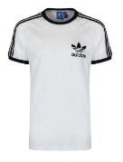 | S18420 | Adidas ESS Men T-shirts White | 84 | 174 | 172 | 83 | 513
 | S18422 | Adidas ESS Men T-shirts Navy | 80 | 157 | 157 | 82 | 476
 |  |  |  |  |  |  | 1925

